Conceptual_Design
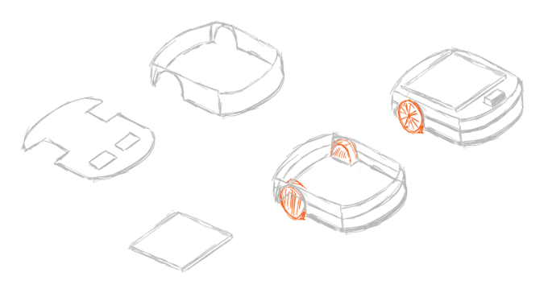
CONCEPTUAL DESIGN

Include an image (or more than one) with the current status of the conceptual design. Can be a sketches done with pencil

